Sheet1
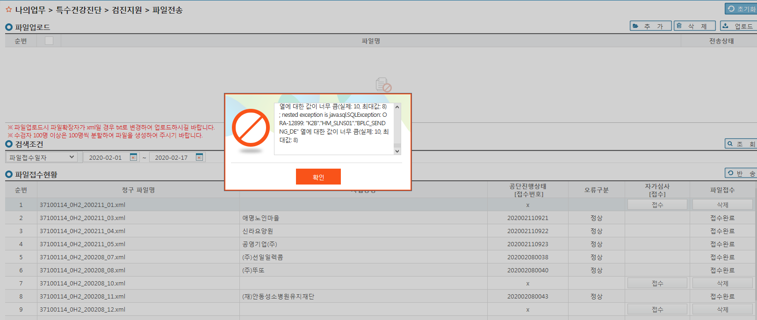
* K2B자료전송시 에러 발생 - 안동단비마을(37100114_0H2_200211_01.txt)/ 삼성석면환경 (37100114_0H2_200208_10.txt)
[K2B에러 내용]
XML파일 파싱 오류가 발생했습니다.
오류가 발생했습니다.

### Error updating database. Cause: java.sql.SQLException: ORA-12899: "K2B"."HM_SLNS01"."BPLC_SENDNG_DE" 열에 대한 값이 너무 큼(실제: 10, 최대값: 8)

### The error may involve com.k2b.dhm.mapper.DHM00210Mapper.DHM00210M_W0_1-Inline
### The error occurred while setting parameters
### SQL: /* DHM00210M_W0_1*/ INSERT INTO HM_SLNS01 ( SLNS_MNG_SN ,SLNS_YEAR ,HOS_CODE ,INDDIS_NO ,INDOPEN_NO ,INDDIS_NO_SEQ ,BIZ_HTH_NO ,BIZ_NM ,BIZ_MNG_LABOFFICE ,BIZ_MNG_AGENT ,BIZ_RPRSNTV ,BIZ_ZIP ,BIZ_ADRES_1 ,BIZ_ADRES_2 ,BIZ_TELNO ,BIZ_FXNUM ,BIZ_INDUTY ,BIZCND ,BIZ_CHARGER_OFCPS ,BIZ_CHARGER_NM ,BIZ_MAIN_PRODUCT ,TOT_NMPR_MALE ,TOT_NMPR_FEMALE ,TCNXPRT_NM ,FOND_DT ,BIZ_SCALE ,SUPPORT ,TOT_SLNS_NMPR ,TOT_SLNS_SPORT ,TOT_SLNS_PKTBUK ,BPLC_SENDNG_DE ,REMARK ,SAM_FILE ,DEL_YN ,TRGTER_NMPR_MALE ,TRGTER_NMPR_FEMALE ,REGIST_ID ,REGIST_DT ,UPDATE_ID ,UPDATE_DT ) SELECT SLNS_MNG_SN ,SLNS_YEAR ,HOS_CODE ,INDDIS_NO ,INDOPEN_NO ,TO_NUMBER(INDDIS_NO_SEQ) AS INDDIS_NO_SEQ ,BIZ_HTH_NO ,BIZ_NM ,BIZ_MNG_LABOFFICE ,BIZ_MNG_AGENT ,BIZ_RPRSNTV ,BIZ_ZIP ,BIZ_ADRES_1 ,BIZ_ADRES_2 ,BIZ_TELNO ,BIZ_FXNUM ,BIZ_INDUTY ,BIZCND ,BIZ_CHARGER_OFCPS ,BIZ_CHARGER_NM ,BIZ_MAIN_PRODUCT ,TO_NUMBER(TOT_NMPR_MALE) AS TOT_NMPR_MALE ,TO_NUMBER(TOT_NMPR_FEMALE) AS TOT_NMPR_FEMALE ,TCNXPRT_NM ,TO_DATE(FOND_DT, 'YYYYMMDDHH24MISS') AS FOND_DT ,BIZ_SCALE ,SUPPORT ,TO_NUMBER(TOT_SLNS_NMPR) AS TOT_SLNS_NMPR ,TO_NUMBER(TOT_SLNS_SPORT) AS TOT_SLNS_SPORT ,TO_NUMBER(TOT_SLNS_P
### Cause: java.sql.SQLException: ORA-12899: "K2B"."HM_SLNS01"."BPLC_SENDNG_DE" 열에 대한 값이 너무 큼(실제: 10, 최대값: 8)

; uncategorized SQLException for SQL []; SQL state [72000]; error code [12899]; ORA-12899: "K2B"."HM_SLNS01"."BPLC_SENDNG_DE" 열에 대한 값이 너무 큼(실제: 10, 최대값: 8)
; nested exception is java.sql.SQLException: ORA-12899: "K2B"."HM_SLNS01"."BPLC_SENDNG_DE" 열에 대한 값이 너무 큼(실제: 10, 최대값: 8)

